Planilha1
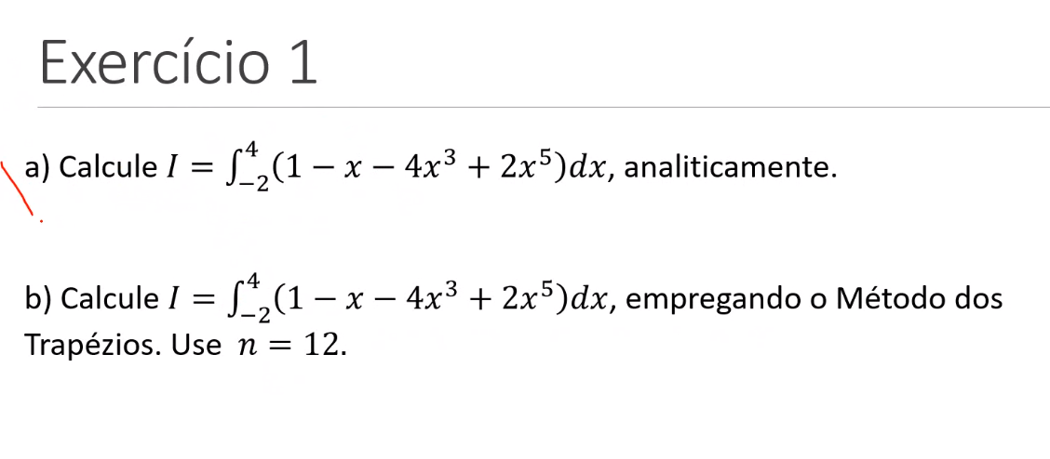
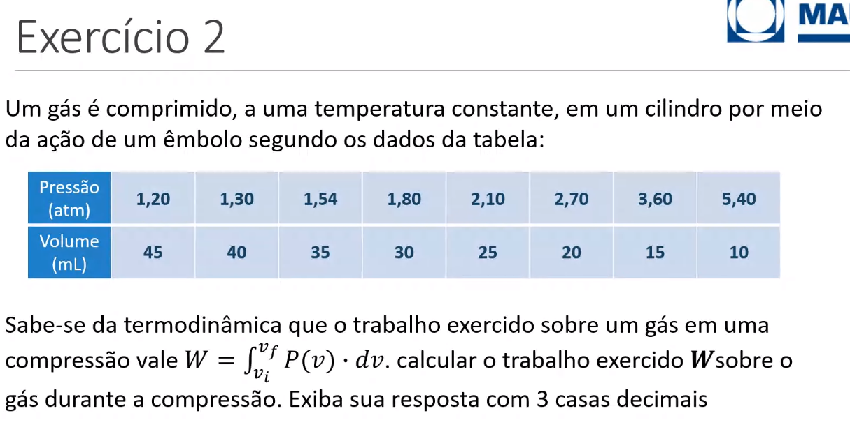

 |  |  |  |  |  |  | 4
 |  |  |  |  |  |  | -2

a - ) | a = | 1105.3333333 |  |  |  |  |  |  |  |  | h = | 5 | resp = | 81.700
 |  | 1.3333333333 |  |  |  |  |  | n | v | P(v) | (*) | pv*(*)
 | a = | 1104 |  |  |  |  |  | 0 | 45 | 1.2 | 1 | 1.2
 |  |  | h = | 0.5 |  |  |  | 1 | 40 | 1.3 | 2 | 2.6
b-) |  | xi | f(xi) |  |  |  |  | 2 | 35 | 1.54 | 2 | 3.08
 | 0 | -2 | -29 |  |  |  |  | 3 | 30 | 1.8 | 2 | 3.6
 | 1 | -1.5 | 0.8125 |  |  |  |  | 4 | 25 | 2.1 | 2 | 4.2
 | 2 | -1 | 4 |  |  |  |  | 5 | 20 | 2.7 | 2 | 5.4
 | 3 | -0.5 | 1.9375 |  |  |  |  | 6 | 15 | 3.6 | 2 | 7.2
 | 4 | 0 | 1 |  |  |  |  | 7 | 10 | 5.4 | 1 | 5.4
 | 5 | 0.5 | 0.0625 |  | I = | 1150.875 |  |  |  |  | soma = | 32.68
 | 6 | 1 | -2
 | 7 | 1.5 | 1.1875
 | 8 | 2 | 31
 | 9 | 2.5 | 131.3125
 | 10 | 3 | 376
 | 11 | 3.5 | 876.4375
 | 12 | 4 | 1789

